ML algo
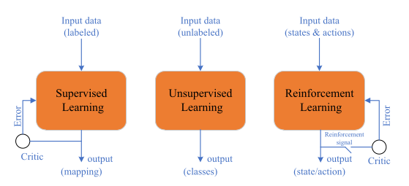
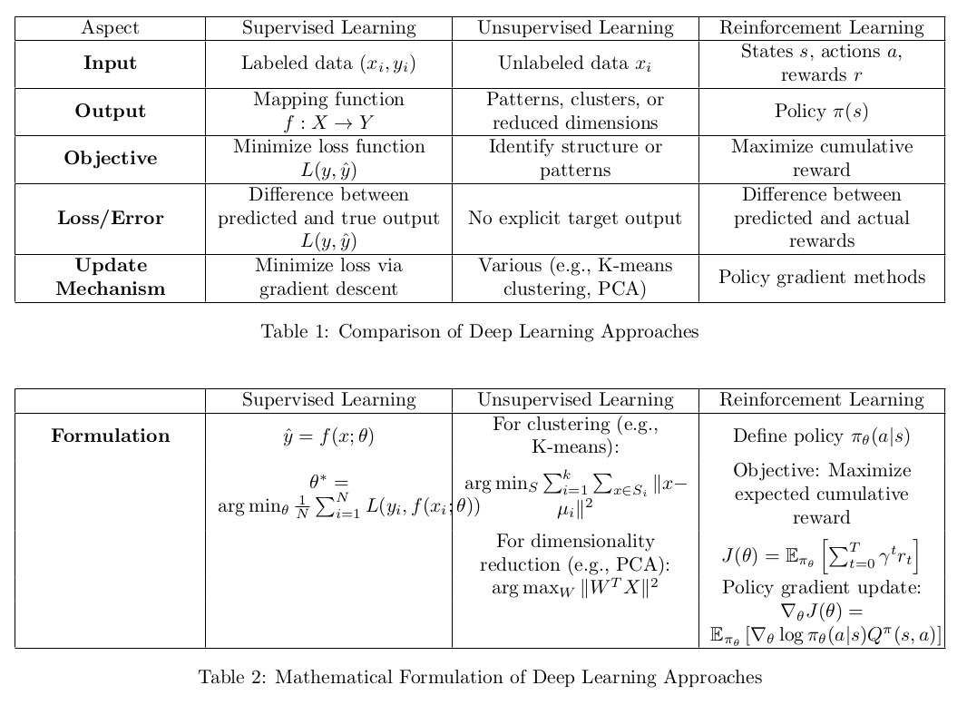
Algorithm | DL Type | Key Features | Advantages | Disadvantages | Common Use Cases
Linear Regression | Supervised Learning | Simple linear approach, assumes a linear relationship between input and output | Easy to implement and interpret, requires minimal computational resources | Assumes linearity, sensitive to outliers, poor performance on non-linear data | Predictive analysis, risk management
Logistic Regression | Supervised Learning | Classification algorithm, predicts probability of class membership | Simple, efficient for binary and multi-class classification, easy to interpret probabilities | Sensitive to outliers, handles linear boundaries | Credit scoring, medical diagnosis
Decision Trees | Supervised Learning | Tree-like model of decisions, can handle both classification and regression tasks | Easy to visualize, interpretable, handles both numerical and categorical data | Complex trees that do not generalize well | Customer segmentation, risk analysis
Random Forest | Supervised Learning | Ensemble of decision trees, reduces overfitting by averaging | Handles high-dimensional data well, reduces overfitting, robust to outliers | Computationally intensive, less interpretable than individual decision trees | Fraud detection, feature selection
Support Vector Machine | Supervised Learning | Classifies data by finding the best hyperplane that separates classes | Effective in high-dimensional spaces, robust to overfitting, works well for small to medium-sized data sets | Requires careful tuning of parameters, computationally intensive for large datasets | Image classification, text categorization
K-Nearest Neighbors | Supervised Learning | Non-parametric, instance-based learning algorithm | Simple to implement, no training phase, works well with small datasets | Computationally expensive during prediction, sensitive to irrelevant features and the choice of k | Recommender systems, anomaly detection
Naive Bayes | Supervised Learning | Probabilistic classifier based on Bayes' theorem, assumes independence between features | Fast, efficient, works well with high-dimensional data, performs well with small data sets | Assumes feature independence (often unrealistic), sensitive to zero probability | Spam filtering, document classification
Gradient Boosting | Supervised Learning | Sequentially to correct errors of previous models | High accuracy, robust to overfitting, works well with a variety of loss functions | Computationally expensive, sensitive to noisy data | Web search ranking, predictive modeling
XGBoost | Supervised Learning | Optimized distributed gradient boosting, regularization to prevent overfitting | High performance, scalable, robust to overfitting, handles missing data well | Requires careful tuning, can be complex to implement | Large-scale data analysis, competition winning
Neural Networks | Supervised Learning | Computational models inspired by the human brain, capable of learning complex patterns | Highly flexible, can model complex non-linear relationships, state-of-the-art in many domains | Requires large amounts of data and computational resources, can be prone to overfitting | Image and speech recognition, natural language processing
Convolutional Neural Networks (CNNs) | Supervised Learning | Specialized neural networks for grid-like data, especially images | Excellent performance on image data, automatically detects important features | Requires large labeled datasets, computationally expensive | Image classification, object detection
Recurrent Neural Networks (RNNs) | Supervised Learning | Neural networks with loops, suitable for sequential data | Can handle sequences of varying lengths, remembers previous inputs | Prone to vanishing and exploding gradients, difficult to train | Time series forecasting, language modeling
Long Short-Term Memory (LSTM) | Supervised Learning | Special type of RNN designed to overcome vanishing gradient problem | Good at capturing long-term dependencies, effective for sequential data | Computationally expensive, requires large datasets | Speech recognition, machine translation
Reinforcement Learning | Reinforcement Learning | Learning through interactions with an environment to maximize cumulative reward | Capable of learning complex behaviors, adapts to changing environments | Requires large amounts of data, can be unstable and difficult to design | Robotics, game playing
K-Means Clustering | Unsupervised Learning | Partition-based clustering algorithm, groups data into k clusters | Simple to implement, efficient, works well with large datasets | Requires pre-specifying the number of clusters, sensitive to initial cluster centers | Market segmentation, image compression
DBSCAN | Unsupervised Learning | Density-based clustering, identifies clusters based on density of data points | Does not require specifying the number of clusters | Sensitive to choice of parameters, can struggle with varying densities | Geospatial analysis, anomaly detection
Principal Component Analysis (PCA) | Unsupervised Learning | Dimensionality reduction technique, transforms data to new feature space with reduced dimensions | Reduces dimensionality, improves computational efficiency, helps in visualizing high-dimensional data | Loss of interpretability, can discard useful information | Data compression, noise reduction

papers
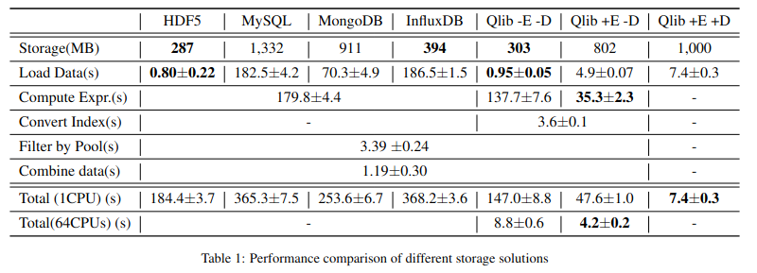
Algorithm | Paper | Key Features | Advantages | Disadvantages | Common Use Cases
GBDT (XGBoost) | Tianqi Chen et al., KDD 2016 | Gradient boosting framework that uses tree boosting | High performance, flexible, handles missing data well | Computationally expensive, requires careful parameter tuning | Predictive modeling, classification, regression
GBDT (LightGBM) | Guolin Ke et al., NIPS 2017 | Optimized for speed and efficiency, supports parallel learning | Fast, efficient on large datasets, lower memory usage | Sensitive to overfitting, requires proper parameter tuning | Large-scale data analysis, ranking problems
GBDT (CatBoost) | Liudmila Prokhorenkova et al., NIPS 2018 | Handles categorical features automatically, symmetric tree structure | Handles categorical data well, robust to overfitting | Complex implementation, slower training times | Tabular data with categorical features, classification
MLP (PyTorch) | - | Feedforward neural network with multiple layers | Flexible, can model complex relationships | Prone to overfitting, requires large datasets | Image recognition, financial forecasting
LSTM (PyTorch) | Sepp Hochreiter et al., Neural Computation 1997 | Recurrent neural network designed to handle long-term dependencies | Captures long-term dependencies well, effective for sequential data | Computationally expensive, sensitive to hyperparameters | Time series prediction, speech recognition
GRU (PyTorch) | Kyunghyun Cho et al., 2014 | Simplified version of LSTM with fewer parameters | Faster training, performs well on sequential data | May not capture dependencies as well as LSTM | Sequential data modeling, language modeling
ALSTM (PyTorch) | Yao Qin et al., IJCAI 2017 | Attention-based LSTM, focuses on relevant parts of input sequence | Improved performance on long sequences, interpretable | Computationally intensive | Financial forecasting, sequence modeling
GATs (PyTorch) | Petar Velickovic et al., 2017 | Graph Attention Networks, apply attention mechanism to graph-structured data | Captures complex relationships in graph data, scalable | Complex implementation, requires large datasets | Social network analysis, recommender systems
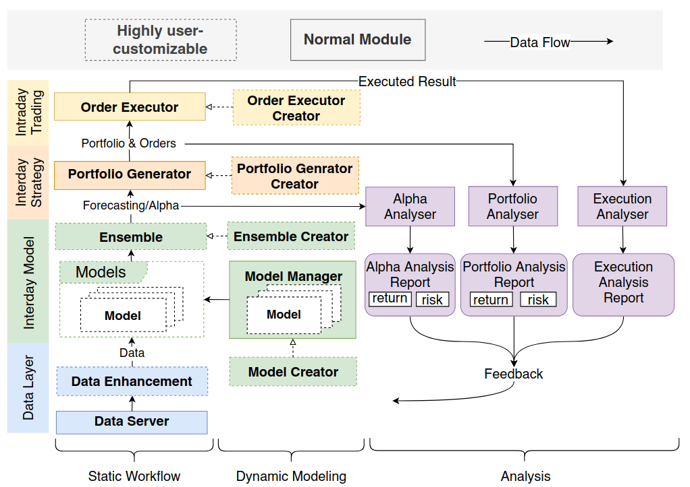
SFM (PyTorch) | Liheng Zhang et al., KDD 2017 | Sequential-based Factorization Machines, capture long-term dependencies in sequential data | Handles large-scale sparse data well, interpretable | Sensitive to hyperparameters, computationally expensive | Recommender systems, click prediction
TFT (TensorFlow) | Bryan Lim et al., International Journal of Forecasting 2019 | Temporal Fusion Transformers, designed for multi-horizon forecasting | Handles temporal patterns well, interpretable | Complex implementation, requires large datasets | Time series forecasting, demand forecasting
TabNet (PyTorch) | Sercan O. Arik et al., AAAI 2019 | Uses attention mechanism for interpretability and performance | Interpretable, handles tabular data well | Requires large datasets, computationally intensive | Tabular data classification, regression
DoubleEnsemble (LightGBM) | Chuheng Zhang et al., ICDM 2020 | Combines multiple models to improve performance and robustness | Reduces overfitting, improves model stability | Computationally expensive, complex implementation | Predictive modeling, financial forecasting
TCTS (PyTorch) | Xueqing Wu et al., ICML 2021 | Time-series Cross-domain Transfer, transfers knowledge between domains | Improves performance on small datasets, generalizable | Complex implementation, requires careful tuning | Cross-domain time series forecasting
Transformer (PyTorch) | Ashish Vaswani et al., NeurIPS 2017 | Self-attention mechanism, handles sequential data well | Efficient, captures long-range dependencies | Requires large datasets, computationally expensive | Natural language processing, time series prediction
Localformer (PyTorch) | Juyong Jiang et al., - | Local attention mechanism, focuses on local patterns in data | Efficient, captures local dependencies | Relatively new, less mature | Sequential data analysis, financial forecasting
TRA (PyTorch) | Hengxu Dong et al., KDD 2021 | Transformer-based Relational Attention, captures relational dependencies | Handles relational data well, interpretable | Complex implementation, requires large datasets | Recommender systems, relational data analysis
TCN (PyTorch) | Shaojie Bai et al., 2018 | Temporal Convolutional Networks, convolutional approach to sequence modeling | Captures long-term dependencies, parallelizable | Computationally expensive, requires large datasets | Sequential data analysis, time series forecasting
ADARNN (PyTorch) | YunTao Du et al., 2021 | Adaptive Recurrent Neural Networks, dynamically adapts to different time steps | Flexible, captures dynamic patterns | Complex implementation, requires large datasets | Time series forecasting, sequential data modeling
ADD (PyTorch) | Hongshun Tang et al., 2020 | Attention-based Dynamic Decomposition, captures dynamic patterns in data | Flexible, interpretable | Complex implementation, computationally expensive | Time series forecasting, anomaly detection
IGMTF (PyTorch) | Wentao Xu et al., 2021 | Integrated Graph and Multi-task Fusion, combines graph and multi-task learning | Captures complex relationships, generalizable | Complex implementation, requires large datasets | Cross-domain analysis, multi-task learning
HIST (PyTorch) | Wentao Xu et al., 2021 | Hierarchical Interaction Transformer, models hierarchical relationships | Captures hierarchical patterns, interpretable | Complex implementation, computationally expensive | Hierarchical data analysis, time series forecasting
KRNN (PyTorch) | - | Kernel-based Recurrent Neural Networks, integrates kernel methods with RNNs | Flexible, captures complex dependencies | Relatively new, less mature | Sequential data modeling, financial forecasting
Sandwich (PyTorch) | - | Stacks multiple models in a sandwich structure for improved performance | Reduces overfitting, improves robustness | Complex implementation, computationally expensive | Predictive modeling, financial forecasting

Sheet3
